Dt=0.01
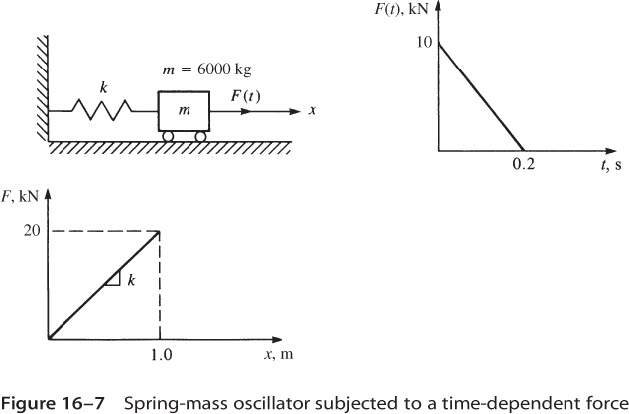
masa, M [kg] | 6000 | rigidez, K [N/m] | 20000 |  | d0 | 0 | v0 | 0 | Δt | 0.01
 | Tiempo, t | F(t) [N] | a(t) [m/s2] | d(t) [m] | d(t-1) [m] | d(t+1) [m] | v(t) [m/s] | d(t) exacta [m]
 | 0 | 10000 | 1.6666666667 | 0 | 8.3333333333E-05 | 8.3333333333E-05 | -1.3552527156E-18 | 0.0000
 | 0.01 | 9500 | 1.5830555556 | 8.3333333333E-05 | 0 | 0.00032497222222 | 0.016248611111 | 0.0001
 | 0.02 | 9000 | 1.4989167593 | 0.00032497222222 | 8.3333333333E-05 | 0.00071650278704 | 0.031658472685 | 0.0003
 | 0.03 | 8500 | 1.414278324 | 0.00071650278704 | 0.00032497222222 | 0.0012494611843 | 0.046224448102 | 0.0007
 | 0.04 | 8000 | 1.3291684627 | 0.0012494611843 | 0.00071650278704 | 0.0019153364277 | 0.059941682036 | 0.0012
 | 0.05 | 7500 | 1.2436155452 | 0.0019153364277 | 0.0012494611843 | 0.0027055732258 | 0.072805602075 | 0.0019
 | 0.06 | 7000 | 1.1576480892 | 0.0027055732258 | 0.0019153364277 | 0.0036115748327 | 0.084811920248 | 0.0027
 | 0.07 | 6500 | 1.0712947506 | 0.0036115748327 | 0.0027055732258 | 0.0046247059147 | 0.095956634447 | 0.0036
 | 0.08 | 6000 | 0.98458431362 | 0.0046247059147 | 0.0036115748327 | 0.0057362954281 | 0.10623602977 | 0.0046
 | 0.09 | 5500 | 0.89754568191 | 0.0057362954281 | 0.0046247059147 | 0.0069376395096 | 0.11564667975 | 0.0057
 | 0.1 | 5000 | 0.8102078683 | 0.0069376395096 | 0.0057362954281 | 0.008220004378 | 0.1241854475 | 0.0069
 | 0.11 | 4500 | 0.72259998541 | 0.008220004378 | 0.0069376395096 | 0.0095746292449 | 0.13184948676 | 0.0082
 | 0.12 | 4000 | 0.63475123585 | 0.0095746292449 | 0.008220004378 | 0.010992729235 | 0.13863624287 | 0.0096
 | 0.13 | 3500 | 0.54669090255 | 0.010992729235 | 0.0095746292449 | 0.012465498316 | 0.14454345356 | 0.0110
 | 0.14 | 3000 | 0.45844833895 | 0.012465498316 | 0.010992729235 | 0.013984112231 | 0.14956914977 | 0.0124
 | 0.15 | 2500 | 0.37005295923 | 0.013984112231 | 0.012465498316 | 0.015539731441 | 0.15371165626 | 0.0140
 | 0.16 | 2000 | 0.28153422853 | 0.015539731441 | 0.013984112231 | 0.017123504075 | 0.1569695922 | 0.0155
 | 0.17 | 1500 | 0.19292165308 | 0.017123504075 | 0.015539731441 | 0.018726568874 | 0.15934187161 | 0.0171
 | 0.18 | 1000 | 0.10424477042 | 0.018726568874 | 0.017123504075 | 0.020340058149 | 0.16082770373 | 0.0187
Tiempo-desplazamiento
 | 0.19 | 500 | 0.015533139502 | 0.020340058149 | 0.018726568874 | 0.021955100739 | 0.16142659328 | 0.0203
 | 0.2 | 0 | -0.07318366913 | 0.021955100739 | 0.020340058149 | 0.023562824962 | 0.16113834063 | 0.0219
 | 0.21 | -500 | -0.16187608321 | 0.023562824962 | 0.021955100739 | 0.025154361576 | 0.15996304187 | 0.0235
 | 0.22 | -1000 | -0.25051453859 | 0.025154361576 | 0.023562824962 | 0.026720846737 | 0.15790108876 | 0.0251
 | 0.23 | -1500 | -0.33906948912 | 0.026720846737 | 0.025154361576 | 0.028253424949 | 0.15495316862 | 0.0267
 | 0.24 | -2000 | -0.4275114165 | 0.028253424949 | 0.026720846737 | 0.029743252019 | 0.15112026409 | 0.0282
 | 0.25 | -2500 | -0.51581084006 | 0.029743252019 | 0.028253424949 | 0.031181498005 | 0.14640365281 | 0.0297

Dt=0.05
masa, M [kg] | 6000 | rigidez, K [N/m] | 20000 |  | d0 | 0 | v0 | 0 | Δt | 0.05
 | Tiempo, t | F(t) [N] | a(t) [m/s2] | d(t) [m] | d(t-1) [m] | d(t+1) [m] | v(t) [m/s] | d(t) exacta [m]
 | 0 | 10000 | 1.6667 | 0.0000 | 0.0021 | 0.0021 | 0.0000 | 0.0000
 | 0.05 | 7500 | 1.2431 | 0.0021 | 0.0000 | 0.0073 | 0.0727 | 0.0019
 | 0.1 | 5000 | 0.8091 | 0.0073 | 0.0021 | 0.0145 | 0.1240 | 0.0069
 | 0.15 | 2500 | 0.3684 | 0.0145 | 0.0073 | 0.0226 | 0.1535 | 0.0140
 | 0.2 | 0 | -0.0754 | 0.0226 | 0.0145 | 0.0306 | 0.1608 | 0.0219
 | 0.25 | 0 | -0.1019 | 0.0306 | 0.0226 | 0.0383 | 0.1564 | 0.0297
Tiempo-desplazamiento

